Dashboard
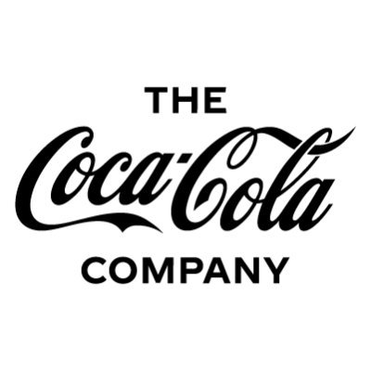
Coca-Cola INDIA Retailer Dashboard
Figures in USD

Units Sold
Average Price
Total Sales
Total Operation Profit
2,47,88,610.00
1,20,16,665.00
₹ 0.45
₹ 47,22,496.77

Sales By Beverage Brand |  |  |  | Sales By Retailer
Brand | Sales 2022 | Sales 2023 | Variance | Retailer | Sales 2022 | Sales 2023 | Variance
Coca-Cola | 499,102.00 | 2,268,974.90 | 1,769,872.90 | Amazon | 276,210 | 1,009,699 | 733,489
Dasani Water | 469,270.70 | 1,917,827.80 | 1,448,557.10 | BevCo | 466,788 | 2,327,607 | 1,860,819
Diet Coke | 423,758.70 | 1,633,959.30 | 1,210,200.60 | FizzyCo | 161,210 | 2,262,827 | 2,101,617
Fanta | 315,489.20 | 1,116,062.90 | 800,573.70 | Target | 9,250 | 1,341,995 | 1,332,745
Powerade | 349,533.90 | 1,302,529.30 | 952,995.40 | Walmart | 339,913 | 580,211 | 240,299
Sprite | 366,578.00 | 1,353,578.30 | 987,000.30 | West Soda | 1,170,362 | 2,070,594 | 900,233
Grand Total | 2,423,732.50 | 9,592,932.50 | 7,169,200.00 | Grand Total | 2,423,732 | 9,592,933 | 7,169,200

Sales & Operating Profit Margin By Quarter

Qtr1 | 692,776.10 | 0.40
Qtr2 | 644,203.90 | 0.40
Qtr3 | 719,170.40 | 0.41
Qtr4 | 367,582.10 | 0.40
Qtr1 | 1,877,584.30 | 0.42
Qtr2 | 2,379,424.80 | 0.43
Qtr3 | 2,805,752.50 | 0.43
Qtr4 | 2,530,170.90 | 0.42

